Umpire Registration

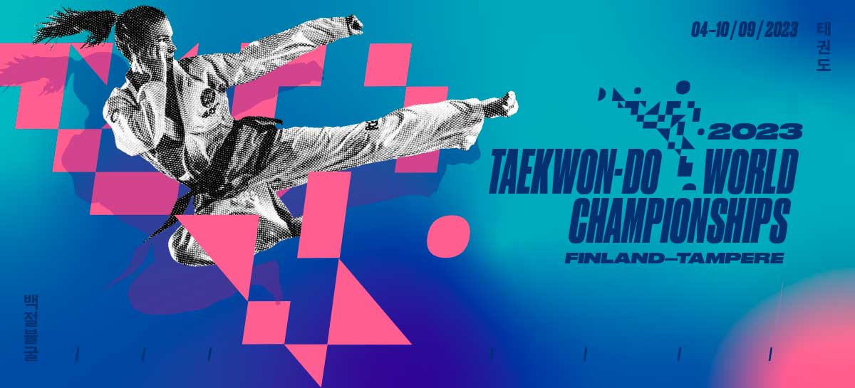
 | WORLD CHAMPIONSHIPS 2023 - Tampere, Finland
UMPIRE APPLICATION FORM

 |  | This application form must be sent ONLY via the official National Association Representative of each country.
 |  | NO applications will be accepted from individuals or other organizations
 |  | All official application forms must be sent to Master Abelardo Benzaquen - Chairman of the ITF Umpire Committee, on or before April, 15th, 2023.
 |  | email: tuic@itftkd.sport

 |  | IMPORTANT: Submission of this form does not mean approval. You will receive an approval email confirming your application.
 |  | If you did not receive confirmation from the ITF Umpire Committee by May, 20th, 2023 please contact us again and inquire about your status.

 |  | Country: |  |  |  |  |  | NA Representative (LAST, First)

 |  | National Association |  |  |  |  |  | NA Representative E-Mail:

 |  | PERSONAL |  |  | BIRTHDATE |  |  |  |  | CERTIFICATE NUMBERS |  |  |  |  |  | OFFICIATING EXPERIENCE
 | # | Name (LAST, First) | Gender | Email | DD | MM | YY | Date Full | AGE | ITF ONLINE # | Certificate Country Code | Degree | Degree Number | Umpire A # | Umpire B # | LAST ELLIGIBLE QIUC ATTENDED | # of National or International Events Umpired this year

 | 1 |  |  |  |  |  |  | -- | #VALUE!
 | 2 |  |  |  |  |  |  | -- | #VALUE!
 | 3 |  |  |  |  |  |  | -- | #VALUE!
 | 4 |  |  |  |  |  |  | -- | #VALUE!
 | 5 |  |  |  |  |  |  | -- | #VALUE!
 | 6 |  |  |  |  |  |  | -- | #VALUE!
 | 7 |  |  |  |  |  |  | -- | #VALUE!
 | 8 |  |  |  |  |  |  | -- | #VALUE!
 | 9 |  |  |  |  |  |  | -- | #VALUE!
 | 10 |  |  |  |  |  |  | -- | #VALUE!
 | 11 |  |  |  |  |  |  | -- | #VALUE!
 | 12 |  |  |  |  |  |  | -- | #VALUE!

 |  | PERSONAL INFORMATION | WORLD CHAMPIONSHIPS EXPERIENCE (Please indicate most recent experience) |  |  |  |  |  |  |  |  | WORLD CUP & INTERNATIONAL CHAMPIONSHIP EXPERIENCE (Please indicate most recent experience)
 | # | Name (LAST, First) | Jury President | Jury Member | Center Referee | Corner Umpire | Power Breaking | Special Technique | Computer Umpire | Equipment Verifier | Anti Doping | Jury President | Jury Member | Center Referee | Corner Umpire | Power Breaking | Special Technique | Computer Umpire | Equipment Verifier | Anti Doping
 | 1 | 0
 | 2 | 0
 | 3 | 0
 | 4 | 0
 | 5 | 0
 | 6 | 0
 | 7 | 0
 | 8 | 0
 | 9 | 0
 | 10 | 0
 | 11 | 0
 | 12 | 0

 |  | PERSONAL INFORMATION | POSITION APPLIED FOR |  |  |  |  |  | RECENT PHOTOGRAPH REQUIRED
 | # | Name (LAST, First) | First Choice | Second Choice | Third Choice
 | 1 | 0 |  |  |  |  |  |  | PLEASE forward one (1) photograph for each umpire listed on this form
 | 2 | 0
 | 3 | 0
 | 4 | 0 |  |  |  |  |  |  | Please use Umpire's Last Name for image file name
 | 5 | 0
 | 6 | 0 |  |  |  |  |  |  | Digital image in .BMP or .JPG format only
 | 7 | 0
 | 8 | 0 |  |  |  |  |  |  | Applications without photographs will NOT BE PROCESSED
 | 9 | 0
 | 10 | 0 |  |  |  |  |  |  | ONLY one (1) application form from the official National Association Representative will be processed. NO individual applications, or applications from other organzations will be accepted.
 | 11 | 0
 | 12 | 0

 | I do hereby forward the above noted members of our National Association, to be considered for acceptance as Umpires at the upcoming 2023 ITF World Championship. In submitting these applications I do hereby endorse the above noted are ITF affiliated members in possesion of the required certificates, and have been duly selected to serve as Umpires in a professional, ethical and unbiased manner.

 |  | NA Representative |  |  |  |  | Date:
 |  |  |  | Signature |  |  |  | Day | Month | Year

 | NOTE: All Hotel, Travel, Transfer and other issues not related to the Umpire´s Job Responsibilities while in the Competition Area are to be addressed to the Organizing Committee (please see emails below) and as such these details are not included as part of this form, and will not be addressed by the Umpire Committee.
 |  | Ms. Heli Karjalainen-Head of the Organizing Committee |  |  |  |  |  | Ms. Tanja Hammare-President of ITF Taekwon-Do Finland
 |  | email: info@itf2023.f |  |  |  |  |  | e-mail: president@taekwon-do.f

